Toroid Design

 | STEP 1 |  |  | STEP 2 | STEP 3 |  | STEP 4
 | Design Input |  |  | Calculated LI^2 value | Input a Part Number |  |  | Design Output
 |  |  |  | 7.34 |  | 55930 | Inductance at Full Load |  | 0.090 | mH
DC Current |  | 8.33 | Amps
 |  |  |  | Based on the LI^2 value choose a part number to fill in STEP 3. | Input a Wire Size
Ripple Current |  | 0.833 | Amps (peak to peak) |  |  |  | Inductance at No Load |  | 0.28 | mH
 |  |  |  |  |  | 13
 |  |  |  |  |  | AWG
Frequency |  | 100 | KHz |  |  |  | Specified Current Inductance |  | 0.10 | mH

 |  |  |  |  | Material
Full Load L |  | 0.096 | mH |  | MPP |  | Core Loss (W) |  | 0.03 | W
 |  |  |  |  | Core OD (mm)
 |  |  |  |  | 27.69 |  | Copper Loss (W) |  | 1.05 | W
Stack Cores |  | 1 |  |  | Core ID (mm)
 |  |  |  |  | 14.1 |  | Total Loss |  | 1.08 | W
Specified Current |  | 8.33 | Amps |  | Core HT (mm)
 |  |  |  |  | 12 |  | Temp Rise |  | 14.9 | °C
Temp Rise |  | 80 | °C |  | Core Perm
 |  |  |  |  | 125 |  | Number of Turns |  | 42
 |  |  |  |  | Core Al
 |  |  |  |  | 157
 |  |  |  |  |  |  | Winding Factor |  | 76.5%
INSTRUCTIONS:
1. Enter the input parameters in STEP 1. |  |  |  |  |  |  | DC Resistance of Winding |  | 15.05 | mΩ
- Full Load DC Current is the full load or peak bias current. Enter zero if there is no bias current.
- Full Load L is the inductance required with full load bias current plus ripple current.
- Specified Current is any RMS or bias current of interest. |  |  |  |  |  |  | Total Wire Length |  | 2293.48
 |  |  |  |  |  |  |  |  |  | mm
2. LI^2 value will be calculated in STEP 2.
 |  |  |  |  |  |  | Finished OD |  | 40.2 | mm
3. Use calculated LI^2 value to select a part number from "Toroid LI^2 Chart" by different materials.
 |  |  |  |  |  |  | Finished HT |  | 24.6 | mm
4. Enter a Part Number you selected into STEP 3 and press "Enter". Then enter a wire size by selecting from wire table and press "Enter".
Default strand is 1. |  |  |  |  |  |  | Adjust Turns |  | 42
5. Adjust turns or strand if desired by entering new numbers in the input box in STEP 4, and press "Enter".
 |  |  |  |  |  |  | Adjust Strand |  | 1
6. To return to STEP 3, clear the "Adjust Turns" box, enter a new part number, and press "Enter".

Toroid LI^2 Chart
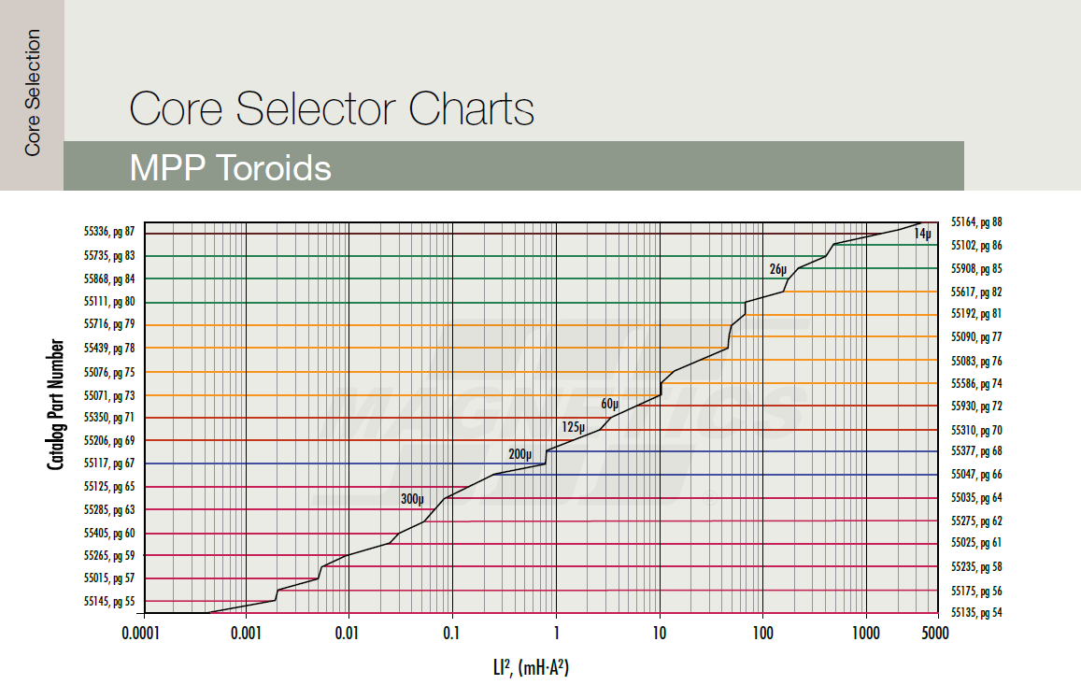

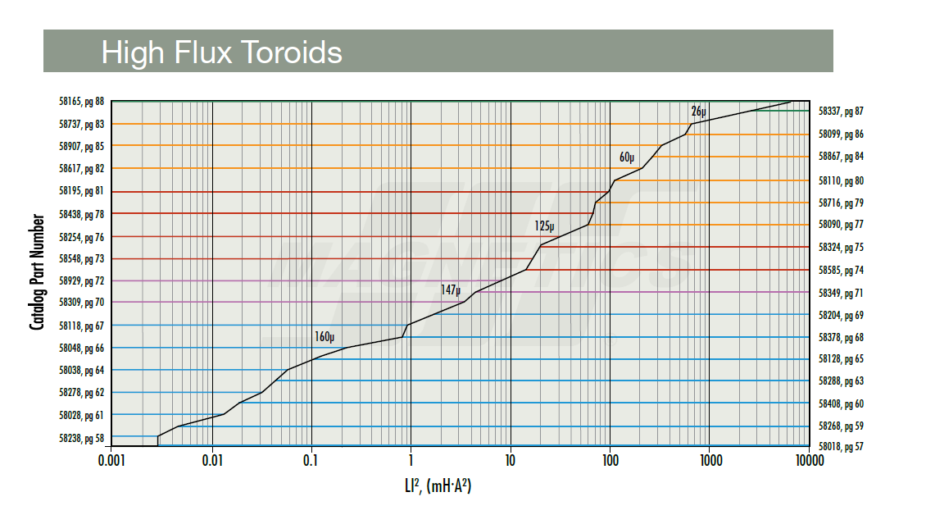

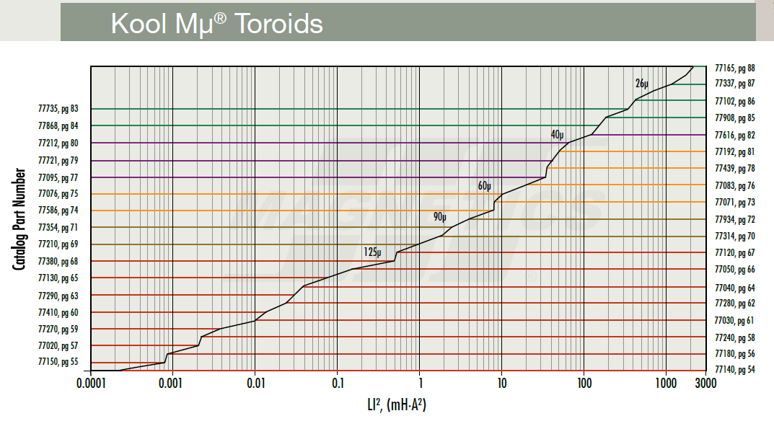

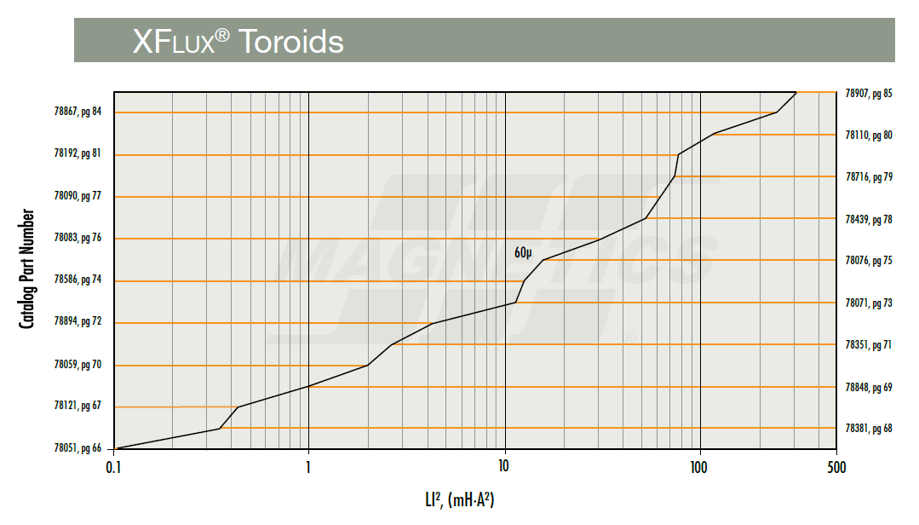

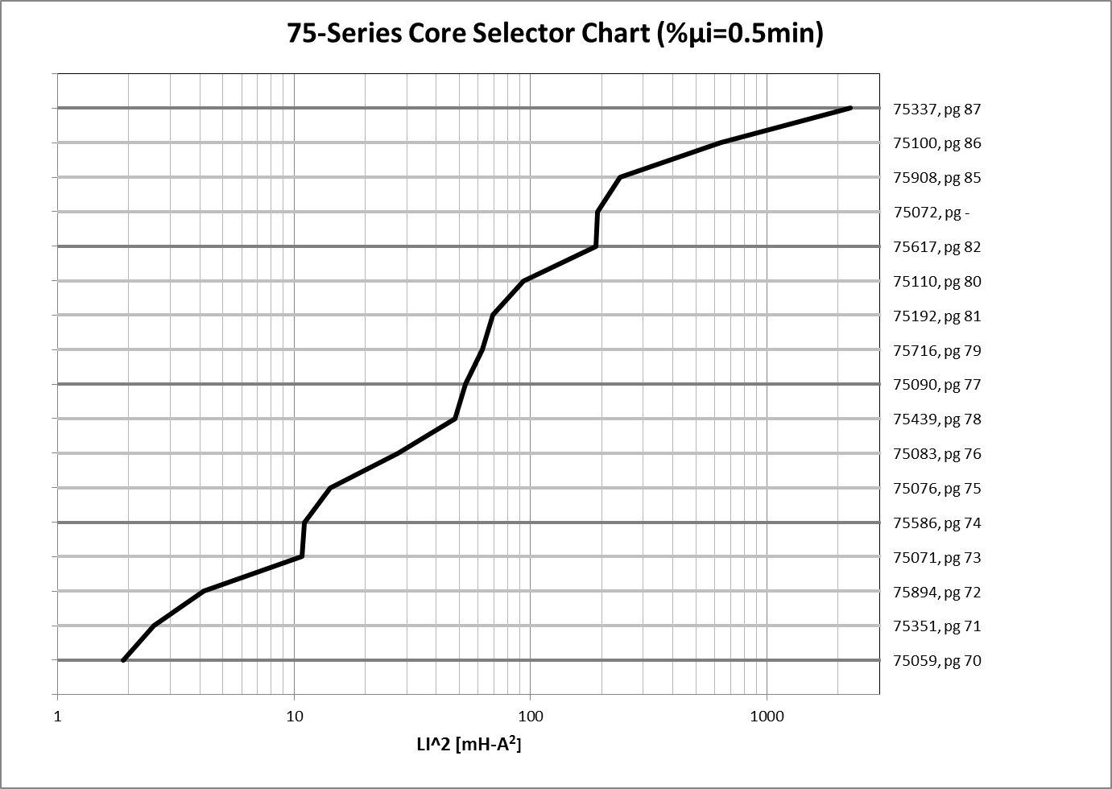

E Core LI^2 Chart
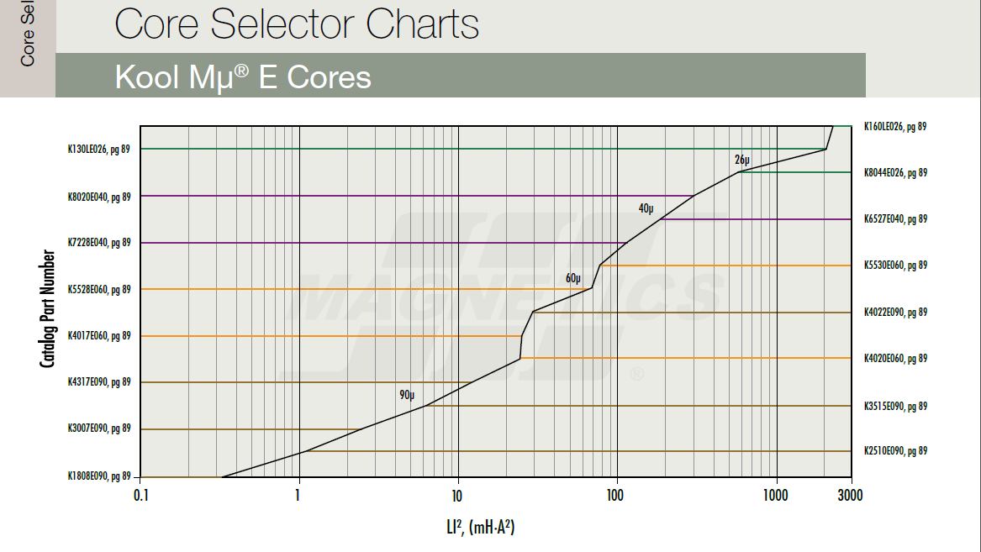

Wire Table
